Customer Proposal and App
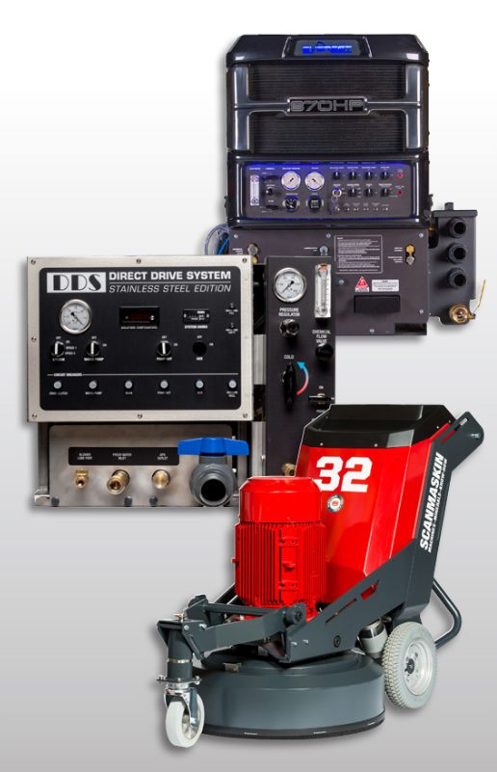
 |  |  | 2021-03-31

Specialized Financing for Truckmounts and Concrete Equipment
23-Feb-21
Prepared for: | Customer Name Here
Equipment: | Description of Equipment or Quote #
Equipment Cost: | $50,000.00
Prepared by: | Steve Weidler or JD Rep here

 |  | NO MONEY DOWN OPTION
 | 36 | 48 | 60
 | $1,498.32 | $1,151.24 | $943.33

 |  | 3 MONTHS DEFERRED OPTION - 3 @ $0.00 followed by:
 | 36 | 48 | 60
 | $1,510.81 | $1,160.83 | $951.19
Payments are excluding applicable taxes (if any). A one-time
documentation fee is assessed on first invoice. Your quote is valid until 3/31/2021
Finance Application |  |  |  | POTENTIAL TAX SAVINGS

 |  |  |  | Section 179 Deduction
 |  |  |  | $50,000.00
 |  |  |  | $1MM is the max 179 write off.

 |  |  |  | Normal 1st Year Depreciation
 |  |  |  | $0

 |  |  |  | Cash Savings Assuming Rate
 |  |  |  | of 21%
 |  |  |  | $10,500.00

 |  |  |  | Lowered Cost of Equipment
 |  |  |  | After Tax Savings
 |  |  |  | $39,500.00
 |  |  |  | Credit & equipment restrictions apply. This program does not assume your company will qualify to take advantage of the IRS Section #179 depreciation schedule which allows rapid first year depreciation of certain assets acquired. The amount of previous depreciation your company may have used may affect your ability to utilize the elections. Please consult your tax advisor or accountant for additional information. Equipment must be purchased and placed in service by 12/31/2021.

Any questions? Please contact:
Steve Weidler
sweidler@marlincapitalsolutions.com
856-505-4204 |  |  |  | marlincapitalsolutions.com

